Sheet1
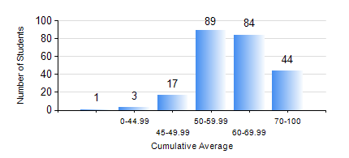
 |  |  | KWAME NKRUMAH UNIVERSITY OF SCIENCE AND TECHNOLOGY, KUMASI Department of Computer Engineering

 |  |  | BSC. COMPUTER ENG.

 |  |  | COMPREHENSIVE RECORD OF EXAMINATION RESULTS

 |  |  | RESULTS OF YEAR 3 SECOND SEMESTER, 2023/2024 ACADEMIC YEAR

 | Sn | Course Code |  | Course Name | Credit Hours | Min. Mark | Max. Mark | Avg. Mark | Std. Dev. | No. Passed | No. Trailed | No. (Df) | No. (I) | No. (I*) | No. Tagged(I,I*,Df) | Total
 | 0. |  |  |  |  |  |  | 0 | 0 | 0 | 0 | 0 | 0 | 0 | 0 | 18
 | 1. | COE 292 |  | COMPUTER ENGINEERING LAB II | 2 | 70 | 70 | 70 | 0 | 2 | 0 | 0 | 0 | 0 | 0 | 2
 | 2. | COE 354 |  | OPERATING SYSTEMS | 4 | 0 | 97 | 67 | 13.02 | 216 | 4 | 0 | 0 | 0 | 0 | 220
 | 3. | COE 356 |  | INTRODUCTION TO SOFTWARE ENG. | 3 | 0 | 91 | 59 | 15.09 | 211 | 9 | 0 | 0 | 0 | 0 | 220
 | 4. | COE 358 |  | EMBEDDED SYSTEMS | 3 | 0 | 88 | 52 | 16.91 | 194 | 26 | 0 | 0 | 0 | 0 | 220
 | 5. | COE 368 |  | DATABASE AND INFORMATION RETRIEVAL | 3 | 0 | 97 | 72 | 17.83 | 212 | 8 | 0 | 0 | 0 | 0 | 220
 | 6. | COE 372 |  | DIGITAL SYSTEMS DESIGN II | 3 | 0 | 78 | 45 | 11.16 | 201 | 19 | 0 | 0 | 0 | 0 | 220
 | 7. | COE 392 |  | AUTOTRONIC LAB. | 2 | 0 | 90 | 69 | 17.48 | 213 | 7 | 0 | 0 | 0 | 0 | 220

